about_bug
Bug _report_ ID | Title | Description | Preconditions | Environment Details | Steps to Reproduce | Attachments | Expected Result | Actual Result | status | Priority | Severity
Aboutus_bug_001 | verify about us content | Technical error message appears in "About Us" | 1-internet connection. 2-Open the system. | 1-Device: Desktop 2- Browser: Google Chrome 3-OS: Windows 11 | 1-Click on "about us" button 2-Check the content of the "About Us" form | 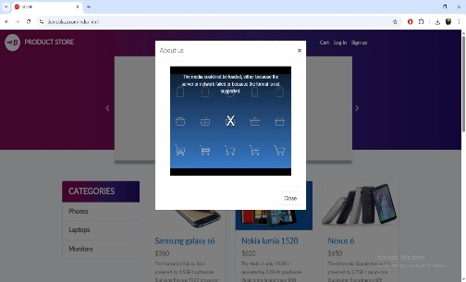 | Content should displayed in that section | The error message is displayed on the video/media player area. | new | Mideum | Mideum

bug_content
Bug _report_ ID | Title | Description | Preconditions | Environment Details | Steps to Reproduce | Attachments | Expected Result | Actual Result | status | Priority | Severity
Contact_BR_01 | verfiy The Contact | user shouhdnot be able to contacting while entering a valid mail ,empty name,message | 1-internet connection is stable 2-open the system URL | 1-Device: Desktop 2- Browser: Chrome 3-OS: Windows 11 | 1-Open the home page of the website 2-Click on contact tab 3-Enter the Contact Email 4-Enter empty the Contact name 5-Enter the Message 6-Click on Send message | 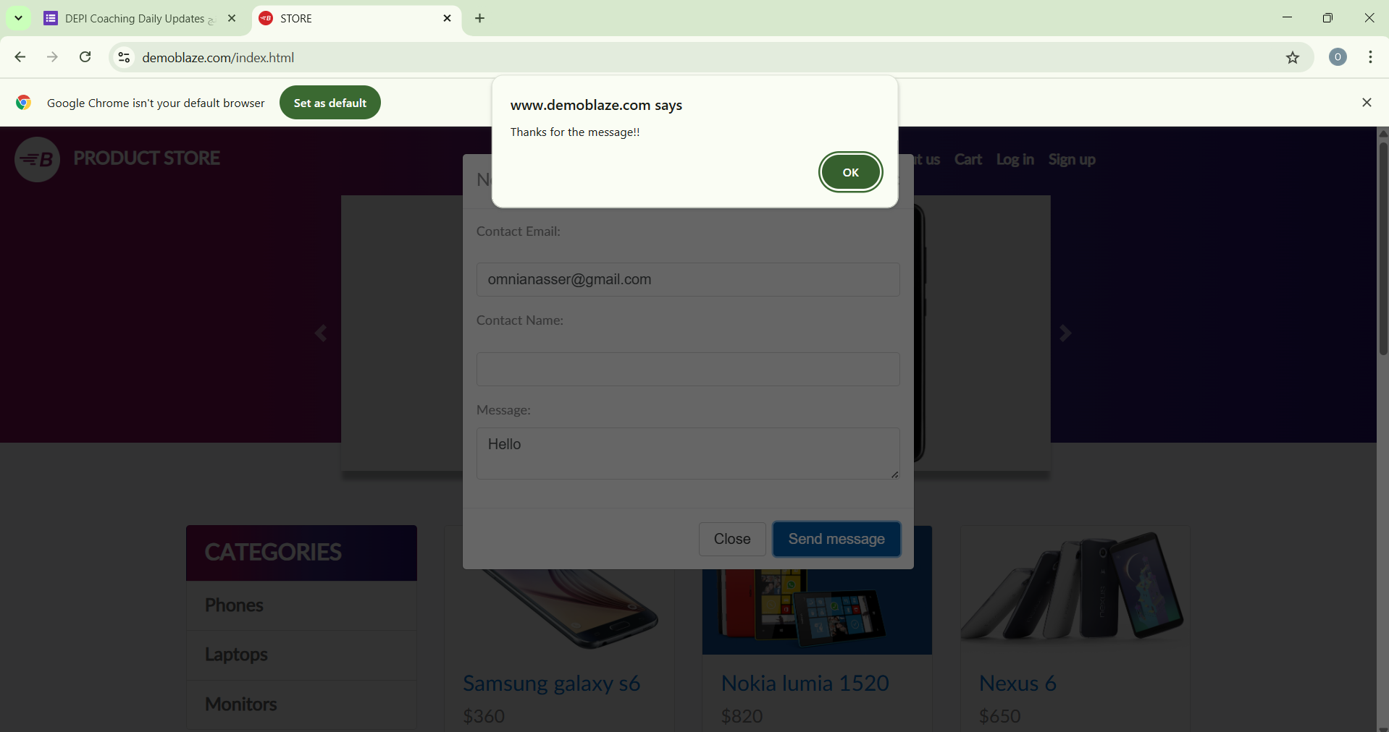 | please complete the data | Thanks for the message!! | new | Meduim | Meduim
Contact_BR_02 | verfiy The Contact | user shouhdnot be able to contacting while entering a empty mail ,valid name,message | 1-internet connection is stable 2-open the system URL | 1-Device: Desktop 2- Browser: Chrome 3-OS: Windows 11 | 1-Open the home page of the website 2-Click on contact tab 3-Enter empty Contact Email 4-Enter the Contact name 5-Enter the Message 6-Click on Send message | 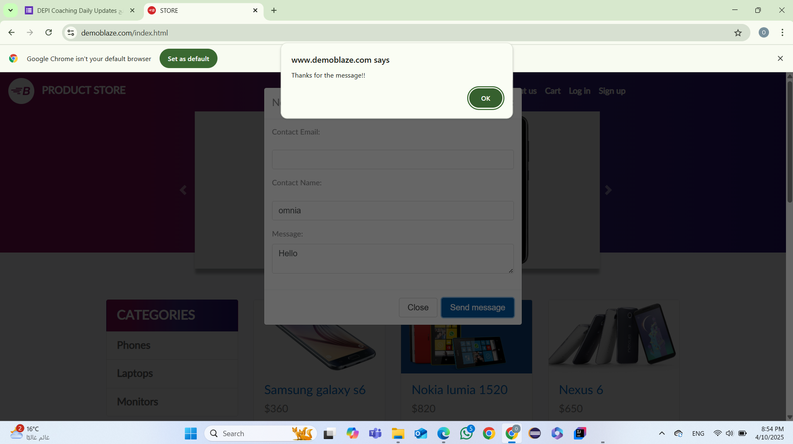 | please complete the data | Thanks for the message!! | new | Meduim | Meduim
Contact_BR_03 | verfiy The Contact | user shouhdnot be able to contacting while entering a valid mail ,valid name, empty message | 1-internet connection is stable 2-open the system URL | 1-Device: Desktop 2- Browser: Chrome 3-OS: Windows 11 | 1-Open the home page of the website 2-Click on contact tab 3-Enter the Contact Email 4-Enter the Contact name 5-Enter empty the Message 6-Click on Send message | 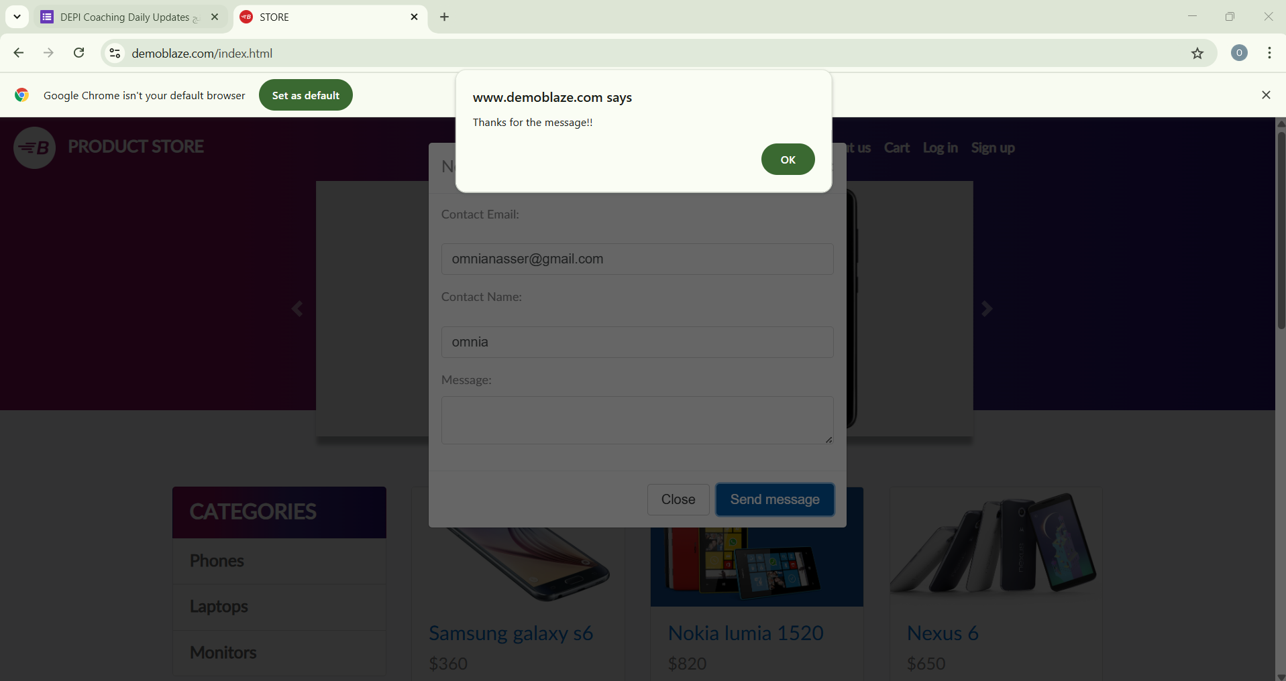 | please complete the data | Thanks for the message!! | new | Meduim | Meduim
Contact_BR_04 | verfiy The Contact | user shouhdnot be able to contacting while entering a invalid mail ,valid name,message | 1-internet connection is stable 2-open the system URL | 1-Device: Desktop 2- Browser: Chrome 3-OS: Windows 11 | 1-Open the home page of the website 2-Click on contact tab 3-Enter invalid Contact Email 4-Enter the Contact name 5-Enter the Message 6-Click on Send message | 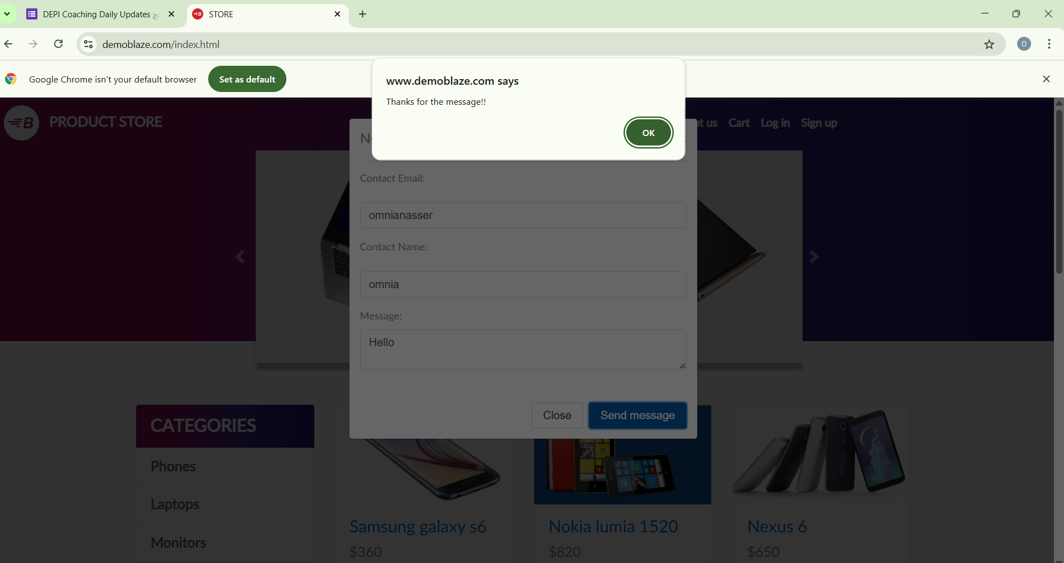 | please entre valid mail | Thanks for the message!! | new | Meduim | Meduim
Contact_BR_05 | verfiy The Contact | user shouhdnot be able to contacting while entering a empty (mail ,name,message) | 1-internet connection is stable 2-open the system URL | 1-Device: Desktop 2- Browser: Chrome 3-OS: Windows 11 | 1-Open the home page of the website 2-Click on contact tab 3-Enter empty Contact Email 4-Enter empty Contact name 5-Enter empty Message 6-Click on Send message | 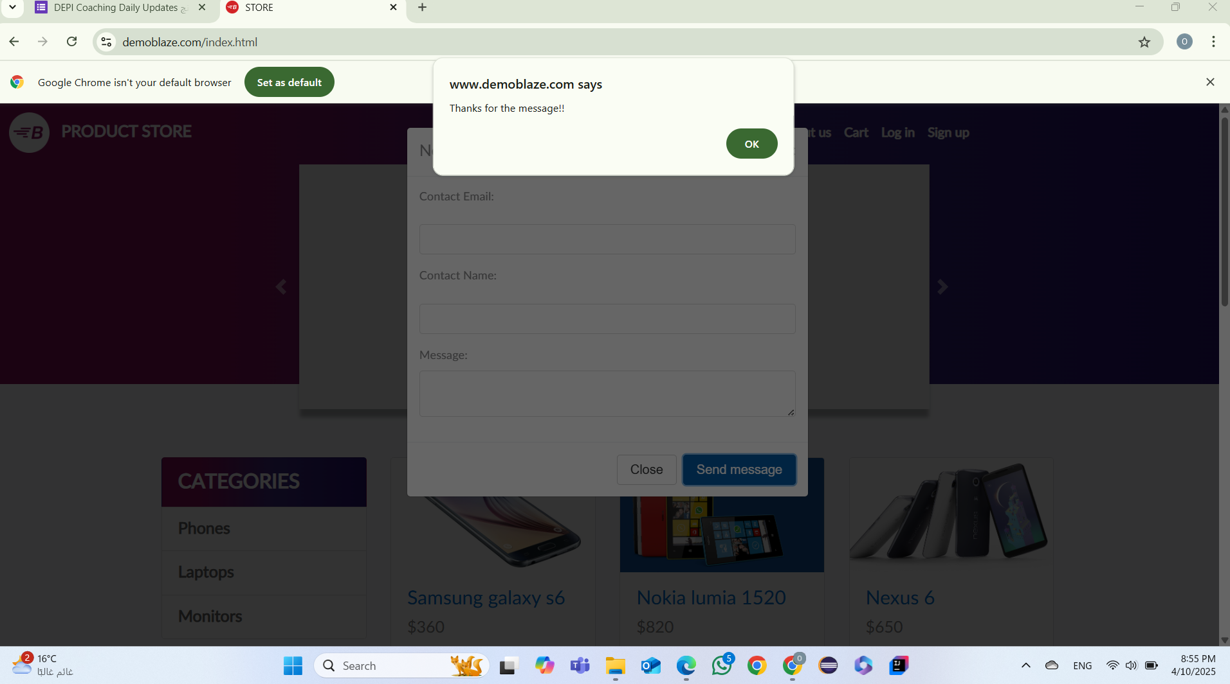 | please complete the data | Thanks for the message!! | new | Meduim | Meduim

bug_cart
Bug _report_ ID | Title | Description | Preconditions | Environment Details | Steps to Reproduce | Attachments | Expected Result | Actual Result | status | Priority | Severity
Cart_BR_01 | Verify Placing Oder | user shouldnot be able to Placing order with wrong credit card number | 1-internet connection is stable 2-open the system URL 3-Adding items to the cart | 1-Device: Desktop 2- Browser: Microsoft Edge 3-OS: Windows 11 | 1-Open the home page of the website. 2-Click on Cart 3-Click on Place Order 4-Enter name 5-enter country 6-enter city 7-enterwrong credit card number 8-enter month 9-enter year 10-Click on place order | 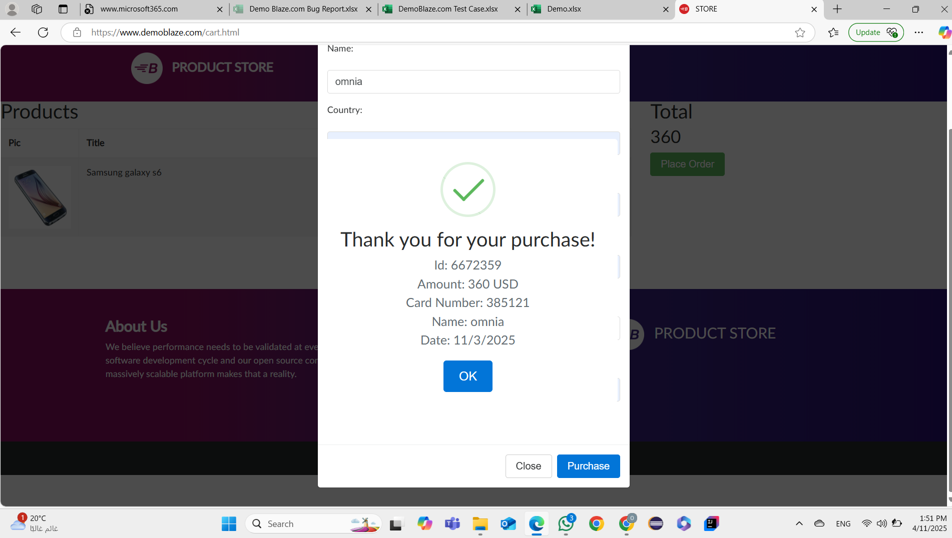 | Please enter right Creditcard number. | Thank you for your purcashe! | new | high | high
Cart_BR_03 | Verify Placing Oder | user shouldnot be able to Placing order while no items in the cart | 1-internet connection is stable 2-open the system URL | 1-Device: Desktop 2- Browser: Microsoft Edge 3-OS: Windows 13 | 1-Open the home page of the website. 2-Click on Cart 3-Click on Place Order 4-Enter name 5-enter country 6-enter city 7-enter credit card 8-enter month 9-enter year 10-Click on place order | 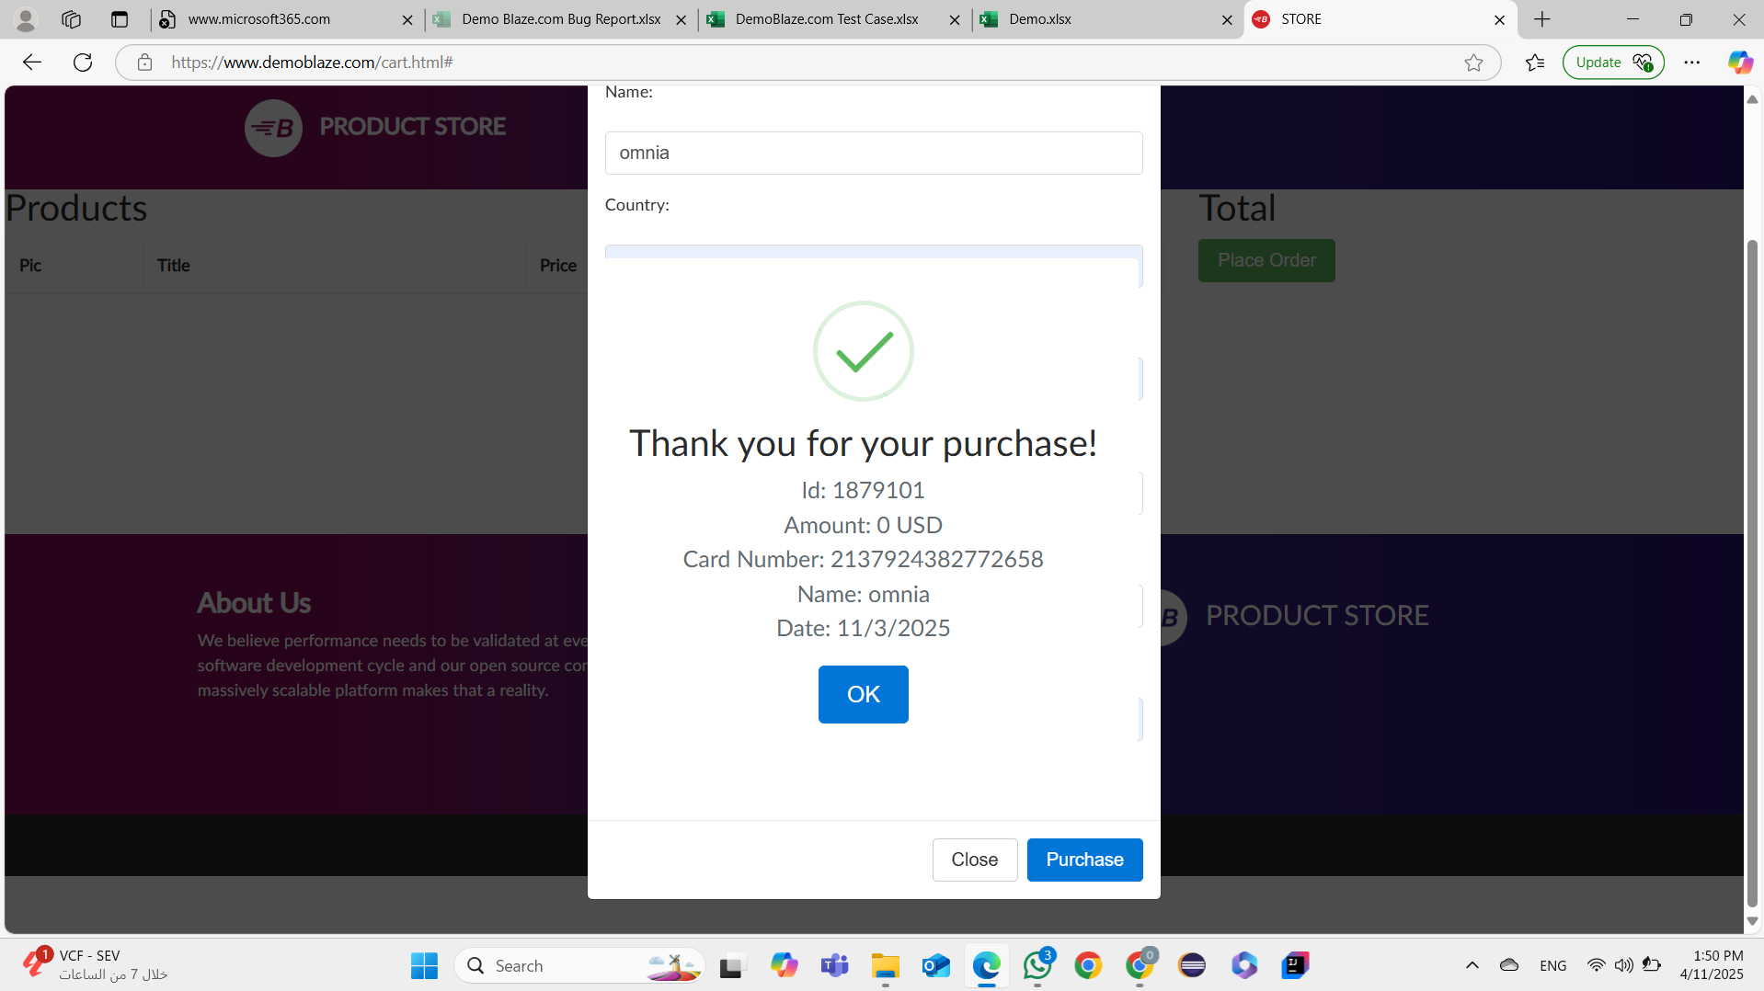 | there is no item to place the order | Thank you for your purcashe! | new | high | high

